Picture
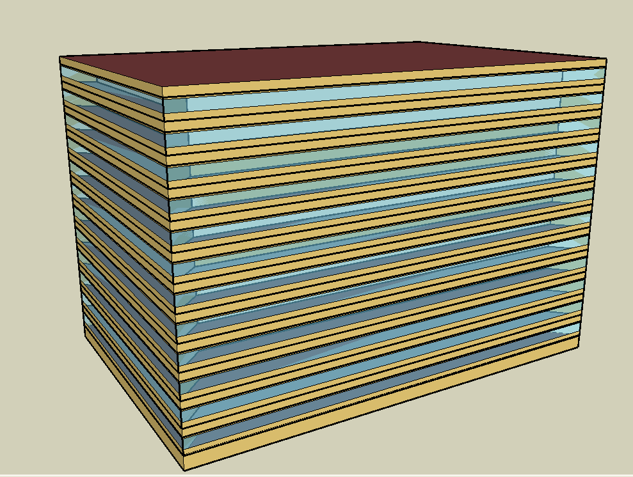
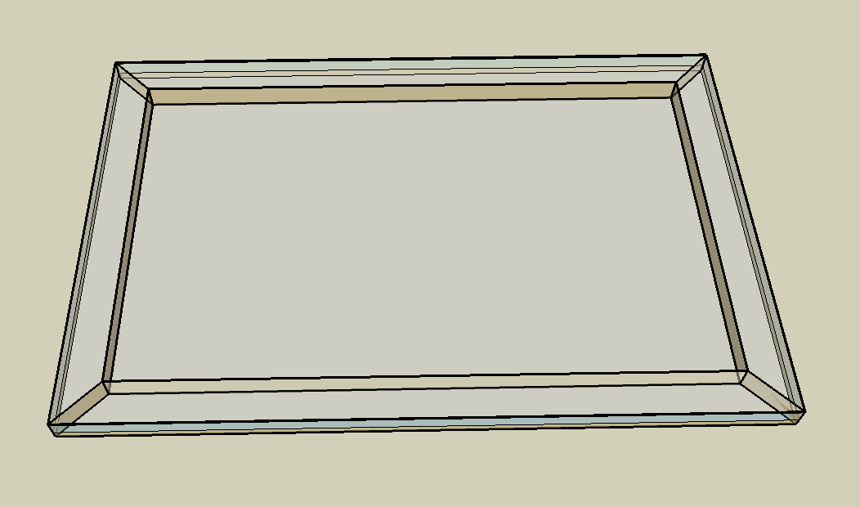
DOE Commercial Building Benchmark - Large Office

Electricity
 | Cooling | Interior Lighting | Exterior Lighting | Interior Equipment | Fans | Pumps | Heat Rejection
Miami | 2,737,244.44 | 1,565,647.22 | 224,066.67 | 2,328,883.33 | 186,461.11 | 284,602.78 | 223,216.67
Houston | 2,218,766.67 | 1,565,647.22 | 223,980.56 | 2,328,883.33 | 172,430.56 | 257,344.44 | 197,050.00
Phoenix | 2,030,455.56 | 1,565,647.22 | 223,938.89 | 2,328,883.33 | 212,705.56 | 253,655.56 | 205,097.22
Atlanta | 1,616,583.33 | 1,565,647.22 | 223,902.78 | 2,328,883.33 | 153,000.00 | 210,575.00 | 158,536.11
Los Angeles | 1,263,455.56 | 1,565,647.22 | 223,733.33 | 2,328,883.33 | 139,333.33 | 163,933.33 | 135,213.89
Las Vegas | 1,231,352.78 | 1,565,647.22 | 223,680.56 | 2,328,883.33 | 182,291.67 | 173,875.00 | 140,066.67
San Francisco | 726,261.11 | 1,565,647.22 | 223,800.00 | 2,328,883.33 | 147,269.44 | 121,852.78 | 100,983.33
Baltimore | 1,427,511.11 | 1,565,647.22 | 223,663.89 | 2,328,883.33 | 156,155.56 | 208,127.78 | 144,263.89
Albuquerque | 790,472.22 | 1,565,647.22 | 223,750.00 | 2,328,883.33 | 193,555.56 | 122,758.33 | 90,088.89
Seattle | 552,650.00 | 1,565,647.22 | 223,305.56 | 2,328,883.33 | 143,677.78 | 87,213.89 | 68,344.44
Chicago | 928,980.56 | 1,565,647.22 | 223,700.00 | 2,328,883.33 | 157,016.67 | 124,130.56 | 90,111.11
Boulder | 606,280.56 | 1,565,647.22 | 223,569.44 | 2,328,883.33 | 179,247.22 | 98,425.00 | 69,991.67
Minneapolis | 845,413.89 | 1,565,647.22 | 223,552.78 | 2,328,883.33 | 164,938.89 | 116,216.67 | 84,516.67
Helena | 453,650.00 | 1,565,647.22 | 223,502.78 | 2,328,883.33 | 170,886.11 | 79,005.56 | 54,886.11
Duluth | 481,461.11 | 1,565,647.22 | 223,375.00 | 2,328,883.33 | 177,422.22 | 81,827.78 | 54,375.00
Fairbanks | 246,855.56 | 1,565,647.22 | 222,008.33 | 2,328,883.33 | 161,797.22 | 45,661.11 | 30,486.11

Gas
 | Heating | Water Systems
Miami | 126,210.00 | 129,200.00
Houston | 1,676,210.00 | 163,080.00
Phoenix | 1,134,140.00 | 143,490.00
Atlanta | 1,630,540.00 | 195,800.00
Los Angeles | 247,200.00 | 189,540.00
Las Vegas | 726,680.00 | 167,010.00
San Francisco | 2,210,810.00 | 217,540.00
Baltimore | 3,247,070.00 | 221,530.00
Albuquerque | 1,563,320.00 | 216,640.00
Seattle | 3,019,420.00 | 234,970.00
Chicago | 5,002,210.00 | 244,120.00
Boulder | 2,850,370.00 | 242,950.00
Minneapolis | 7,573,840.00 | 263,660.00
Helena | 5,267,580.00 | 267,210.00
Duluth | 9,235,090.00 | 295,860.00
Fairbanks | 16,667,630.00 | 334,770.00

EUI
 | Cooling (elec) | Interior Lighting (elec) | Exterior Lighting (elec) | Interior Equipment (elec) | Fans (elec) | Pumps (elec) | Heat Rejection (elec) | Heating (gas) | Water Systems (gas)
Miami | 212.74 | 121.68 | 17.41 | 181.00 | 14.49 | 22.12 | 17.35 | 2.72 | 2.79
Houston | 172.44 | 121.68 | 17.41 | 181.00 | 13.40 | 20.00 | 15.31 | 36.19 | 3.52
Phoenix | 157.81 | 121.68 | 17.40 | 181.00 | 16.53 | 19.71 | 15.94 | 24.48 | 3.10
Atlanta | 125.64 | 121.68 | 17.40 | 181.00 | 11.89 | 16.37 | 12.32 | 35.20 | 4.23
Los Angeles | 98.20 | 121.68 | 17.39 | 181.00 | 10.83 | 12.74 | 10.51 | 5.34 | 4.09
Las Vegas | 95.70 | 121.68 | 17.38 | 181.00 | 14.17 | 13.51 | 10.89 | 15.69 | 3.61
San Francisco | 56.44 | 121.68 | 17.39 | 181.00 | 11.45 | 9.47 | 7.85 | 47.73 | 4.70
Baltimore | 110.95 | 121.68 | 17.38 | 181.00 | 12.14 | 16.18 | 11.21 | 70.10 | 4.78
Albuquerque | 61.44 | 121.68 | 17.39 | 181.00 | 15.04 | 9.54 | 7.00 | 33.75 | 4.68
Seattle | 42.95 | 121.68 | 17.36 | 181.00 | 11.17 | 6.78 | 5.31 | 65.19 | 5.07
Chicago | 72.20 | 121.68 | 17.39 | 181.00 | 12.20 | 9.65 | 7.00 | 107.99 | 5.27
Boulder | 47.12 | 121.68 | 17.38 | 181.00 | 13.93 | 7.65 | 5.44 | 61.54 | 5.24
Minneapolis | 65.71 | 121.68 | 17.37 | 181.00 | 12.82 | 9.03 | 6.57 | 163.51 | 5.69
Helena | 35.26 | 121.68 | 17.37 | 181.00 | 13.28 | 6.14 | 4.27 | 113.72 | 5.77
Duluth | 37.42 | 121.68 | 17.36 | 181.00 | 13.79 | 6.36 | 4.23 | 199.37 | 6.39
Fairbanks | 19.19 | 121.68 | 17.25 | 181.00 | 12.57 | 3.55 | 2.37 | 359.83 | 7.23

Water
 | Total Building | Water for Electricity (m3)
Miami | 25,062.63 | 4,278.61
Houston | 20,529.81 | 12,187.90
Phoenix | 29,649.52 | 218,232.00
Atlanta | 15,381.67 | 42,353.70
Los Angeles | 11,370.76 | 111,432.00
Las Vegas | 21,691.20 | 174,815.00
San Francisco | 7,324.82 | 100,801.00
Baltimore | 13,878.26 | 1,494.06
Albuquerque | 12,912.37 | 26,525.40
Seattle | 6,122.21 | 56,152.90
Chicago | 9,934.93 | 9,223.12
Boulder | 9,878.89 | 25,421.50
Minneapolis | 9,057.71 | 9,084.58
Helena | 7,299.12 | 342,240.00
Duluth | 5,779.87 | 8,438.91
Fairbanks | 3,881.62 | 5,238.91

Carbon
 | Carbon Equivalent (kg)
Miami | 2,219,590.00
Houston | 2,531,710.00
Phoenix | 2,240,850.00
Atlanta | 2,122,510.00
Los Angeles | 749,577.50
Las Vegas | 2,165,300.00
San Francisco | 714,728.79
Baltimore | 1,838,380.00
Albuquerque | 2,418,360.00
Seattle | 458,991.09
Chicago | 3,264,110.00
Boulder | 2,342,740.00
Minneapolis | 2,145,660.00
Helena | 2,074,220.00
Duluth | 2,033,740.00
Fairbanks | 1,749,480.00

LghtSch
Lighting Schedules
 | Weekday | Saturday | Other
 | 0.05 | 0.05 | 0.05
 | 0.05 | 0.05 | 0.05
 | 0.05 | 0.05 | 0.05
 | 0.05 | 0.05 | 0.05
 | 0.05 | 0.05 | 0.05
 | 0.1 | 0.05 | 0.05
 | 0.1 | 0.1 | 0.05
 | 0.3 | 0.1 | 0.05
 | 0.9 | 0.5 | 0.05
 | 0.9 | 0.5 | 0.05
 | 0.9 | 0.5 | 0.05
 | 0.9 | 0.5 | 0.05
 | 0.9 | 0.5 | 0.05
 | 0.9 | 0.5 | 0.05
 | 0.9 | 0.15 | 0.05
 | 0.9 | 0.15 | 0.05
 | 0.9 | 0.15 | 0.05
 | 0.7 | 0.05 | 0.05
 | 0.5 | 0.05 | 0.05
 | 0.5 | 0.05 | 0.05
 | 0.3 | 0.05 | 0.05
 | 0.3 | 0.05 | 0.05
 | 0.1 | 0.05 | 0.05
 | 0.05 | 0.05 | 0.05

OccSch
Occupancy Schedules
 | Weekday | Saturday | Other
 | 0 | 0 | 0
 | 0 | 0 | 0
 | 0 | 0 | 0
 | 0 | 0 | 0
 | 0 | 0 | 0
 | 0 | 0 | 0
 | 0.1 | 0.1 | 0
 | 0.2 | 0.1 | 0
 | 0.95 | 0.5 | 0
 | 0.95 | 0.5 | 0
 | 0.95 | 0.5 | 0
 | 0.95 | 0.5 | 0
 | 0.5 | 0.5 | 0
 | 0.95 | 0.5 | 0
 | 0.95 | 0.1 | 0
 | 0.95 | 0.1 | 0
 | 0.95 | 0.1 | 0
 | 0.7 | 0 | 0
 | 0.4 | 0 | 0
 | 0.4 | 0 | 0
 | 0.1 | 0 | 0
 | 0.1 | 0 | 0
 | 0.05 | 0 | 0
 | 0.05 | 0 | 0

EqpSch
Equipment Schedules
 | Weekday | Saturday | Other
 | 0.4 | 0.3 | 0.05
 | 0.4 | 0.3 | 0.05
 | 0.4 | 0.3 | 0.05
 | 0.4 | 0.3 | 0.05
 | 0.4 | 0.3 | 0.05
 | 0.4 | 0.3 | 0.05
 | 0.4 | 0.4 | 0.05
 | 0.4 | 0.4 | 0.05
 | 0.9 | 0.5 | 0.05
 | 0.9 | 0.5 | 0.05
 | 0.9 | 0.5 | 0.05
 | 0.9 | 0.5 | 0.05
 | 0.8 | 0.5 | 0.05
 | 0.9 | 0.5 | 0.05
 | 0.9 | 0.35 | 0.05
 | 0.9 | 0.35 | 0.05
 | 0.9 | 0.35 | 0.05
 | 0.8 | 0.3 | 0.05
 | 0.6 | 0.3 | 0.05
 | 0.6 | 0.3 | 0.05
 | 0.5 | 0.3 | 0.05
 | 0.5 | 0.3 | 0.05
 | 0.4 | 0.3 | 0.05
 | 0.4 | 0.3 | 0.05

HeatSch
Heating Set Point Schedules
 | Weekday | Saturday | Other
 | 26.7 | 15.6 | 15.6
 | 26.7 | 15.6 | 15.6
 | 26.7 | 15.6 | 15.6
 | 26.7 | 15.6 | 15.6
 | 26.7 | 15.6 | 15.6
 | 26.7 | 15.6 | 15.6
 | 24 | 21 | 15.6
 | 24 | 21 | 15.6
 | 24 | 21 | 15.6
 | 24 | 21 | 15.6
 | 24 | 21 | 15.6
 | 24 | 21 | 15.6
 | 24 | 21 | 15.6
 | 24 | 21 | 15.6
 | 24 | 21 | 15.6
 | 24 | 21 | 15.6
 | 24 | 21 | 15.6
 | 24 | 21 | 15.6
 | 24 | 15.6 | 15.6
 | 24 | 15.6 | 15.6
 | 24 | 15.6 | 15.6
 | 24 | 15.6 | 15.6
 | 26.7 | 15.6 | 15.6
 | 26.7 | 15.6 | 15.6

CoolSch
Cooling Set Point Schedules
 | Weekday | Saturday | Other
 | 26.7 | 26.7 | 26.7
 | 26.7 | 26.7 | 26.7
 | 26.7 | 26.7 | 26.7
 | 26.7 | 26.7 | 26.7
 | 26.7 | 26.7 | 26.7
 | 26.7 | 26.7 | 26.7
 | 24 | 24 | 26.7
 | 24 | 24 | 26.7
 | 24 | 24 | 26.7
 | 24 | 24 | 26.7
 | 24 | 24 | 26.7
 | 24 | 24 | 26.7
 | 24 | 24 | 26.7
 | 24 | 24 | 26.7
 | 24 | 24 | 26.7
 | 24 | 24 | 26.7
 | 24 | 24 | 26.7
 | 24 | 24 | 26.7
 | 24 | 26.7 | 26.7
 | 24 | 26.7 | 26.7
 | 24 | 26.7 | 26.7
 | 24 | 26.7 | 26.7
 | 26.7 | 26.7 | 26.7
 | 26.7 | 26.7 | 26.7

